Application Screen
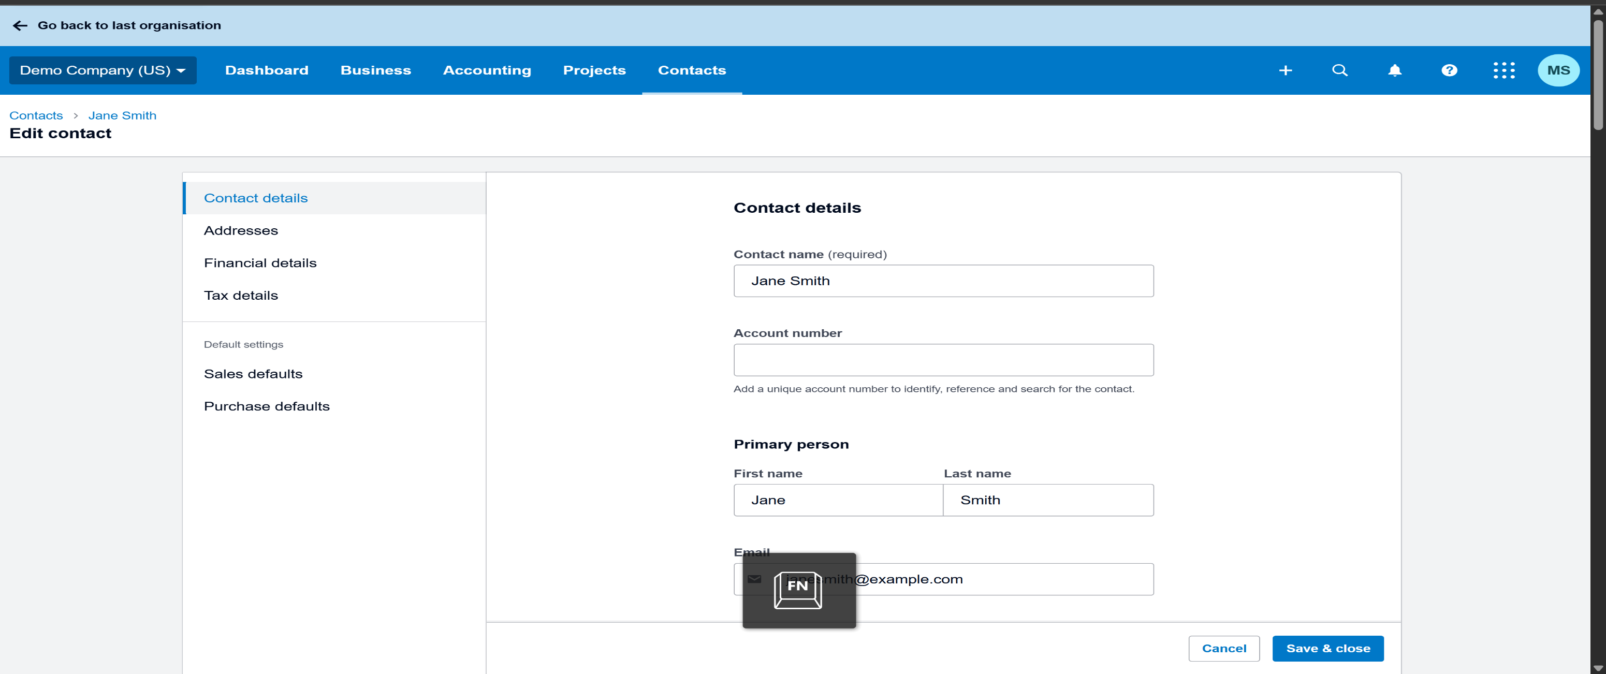

Test Case 12
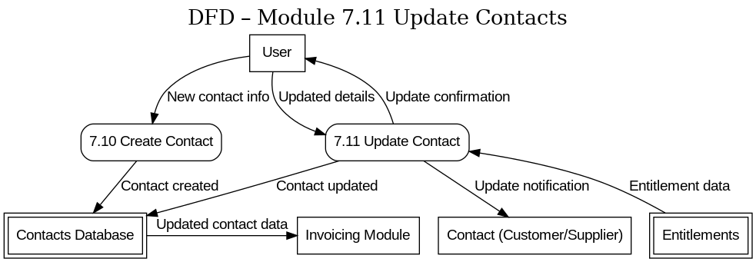
TC Title: | TC12. Update Contacts – Data Flow Out Testing(DF-Out)

TC Objective: | Verify that when a contact’s details are updated, those changes flow out to other parts of the system.

Test Data (optional): | user id - standard@xero.com , pass - abc@123

TC Description
 | Step | Step Description | Expected Results
 | 1 | Log in to Xero Demo Company as a Standard User | Login is successful.
 | 2 | Navigate to “Contacts” and open the detail page for "Alice brown". | The contact information page for "Alice brown" is displayed, showing current details.
 | 3 | Click “Edit” (or the edit contact option) for "Alice brown". Change one or more contact details | The contact edit form accepts the changes.
 | 4 | Save the contact changes. | The system saves the updated contact.
 | 5 | Now verify that this updated information flows out to another module. For instance, navigate to “Sales” > “Invoices” and start creating a new invoice. | The New Invoice form is opened for creating an invoice.
 | 6 | In the new invoice form, set "Alice brown" as the Contact/Customer for the invoice | The Email field now reflects new.email@alice.com
 | 7 | Verify on the invoice form that the contact name and any other updated details | The invoice is correctly using "Alice brown"’s latest data.
 | 8 | If "Alice brown" had an existing invoice (or other transaction) prior to the update, open that invoice and verify how the updated contact data is reflected. | Existing historical transactions retain the old details for record integrity.

